Inner Join
TABLE A |  |  |  |  |  | TABLE B

Customer | Gender | Age |  |  |  | Employe | Title | Salary
Arnav | Male | 25 |  |  |  | Krishna | Analyst | 45000
Rahul | Male | 26 |  |  |  | Abhishek | Analyst | 49000
Krishna | Male | 26 |  |  |  | Rohan | Manager | 61000
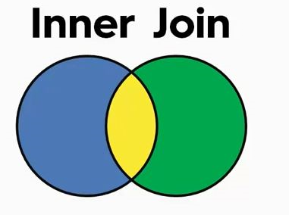
Nishant | Male | 18 |  |  |  | Shikha | Manager | 58000
Shikha | Female | 23
Rita | Female | 29

Inner Join on A - Customer = B - Employee

TABLE A |  |  |  |  |  | TABLE B

Customer | Gender | Age |  |  |  | Employe | Title | Salary
Arnav | Male | 25 |  |  |  | Krishna | Analyst | 45000
Rahul | Male | 26 |  |  |  | Abhishek | Analyst | 49000
Krishna | Male | 26 |  |  |  | Rohan | Manager | 61000
Nishant | Male | 18 |  |  |  | Shikha | Manager | 58000
Shikha | Female | 23
Rita | Female | 29

 |  |  | Inner Join

 | Customer | Gender | Age | Employe | Title | Salary
 | Krishna | Male | 26 | Krishna | Analyst | 45000
 | Shikha | Female | 23 | Shikha | Manager | 58000

Left Outer Join
 |  | TABLE A |  |  |  |  |  | TABLE B
Primary Table |  |  |  |  |  | Secondary Table
 |  | Customer | Gender | Age |  |  |  | Employe | Title | Salary
 |  | Arnav | Male | 25 |  |  |  | Krishna | Analyst | 45000
 |  | Rahul | Male | 26 |  |  |  | Abhishek | Analyst | 49000
 |  | Krishna | Male | 26 |  |  |  | Rohan | Manager | 61000
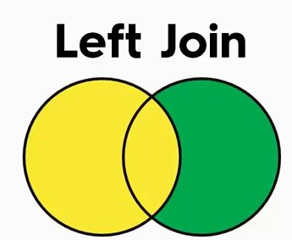
 |  | Nishant | Male | 18 |  |  |  | Shikha | Manager | 58000
 |  | Shikha | Female | 23
 |  | Rita | Female | 29

 |  | Left Join on A - Customer = B - Employee

 |  | TABLE A |  |  |  |  |  | TABLE B

 |  | Customer | Gender | Age |  |  |  | Employe | Title | Salary
 | Will be there | Arnav | Male | 25 |  |  |  | Krishna | Analyst | 45000
 | Will be there | Rahul | Male | 26 |  |  |  | Abhishek | Analyst | 49000 | Discarded
 |  | Krishna | Male | 26 |  |  |  | Rohan | Manager | 61000 | Discarded
 | Will be there | Nishant | Male | 18 |  |  |  | Shikha | Manager | 58000
 |  | Shikha | Female | 23
 | Will be there | Rita | Female | 29

 |  |  |  | Left Outer Join

 |  |  |  | Customer | Gender | Age | Employe | Title | Salary
 |  |  |  | Arnav | Male | 25
 |  |  |  | Rahul | Male | 26
 |  |  |  | Krishna | Male | 26 | Krishna | Analyst | 45000
 |  |  |  | Nishant | Male | 18
 |  |  |  | Shikha | Female | 23 | Shikha | Manager | 58000
 |  |  |  | Rita | Female | 29

Right Outer Join
 |  | TABLE A |  |  |  |  |  | TABLE B
Secondary Table |  |  |  |  |  | Primary Table
 |  | Customer | Gender | Age |  |  |  | Employe | Title | Salary
 |  | Arnav | Male | 25 |  |  |  | Krishna | Analyst | 45000
 |  | Rahul | Male | 26 |  |  |  | Abhishek | Analyst | 49000
 |  | Krishna | Male | 26 |  |  |  | Rohan | Manager | 61000
 |  | Nishant | Male | 18 |  |  |  | Shikha | Manager | 58000
 |  | Shikha | Female | 23
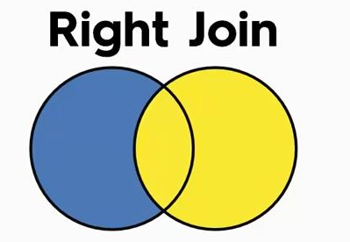
 |  | Rita | Female | 29

 |  | Right Join on A - Customer = B - Employee

 |  | TABLE A |  |  |  |  |  | TABLE B

 |  | Customer | Gender | Age |  |  |  | Employe | Title | Salary
 | Discarded | Arnav | Male | 25 |  |  |  | Krishna | Analyst | 45000
 | Discarded | Rahul | Male | 26 |  |  |  | Abhishek | Analyst | 49000 | Will be there
 |  | Krishna | Male | 26 |  |  |  | Rohan | Manager | 61000 | Will be there
 | Discarded | Nishant | Male | 18 |  |  |  | Shikha | Manager | 58000
 |  | Shikha | Female | 23
 | Discarded | Rita | Female | 29

 |  |  |  | Right Outer Join

 |  |  |  | Customer | Gender | Age | Employe | Title | Salary
 |  |  |  | Krishna | Male | 26 | Krishna | Analyst | 45000
 |  |  |  |  |  |  | Abhishek | Analyst | 49000
 |  |  |  |  |  |  | Rohan | Manager | 61000
 |  |  |  | Shikha | Female | 23 | Shikha | Manager | 58000

Full Outer join
 | TABLE A |  |  |  |  |  | TABLE B

 | Customer | Gender | Age |  |  |  | Employe | Title | Salary
 | Arnav | Male | 25 |  |  |  | Krishna | Analyst | 45000
 | Rahul | Male | 26 |  |  |  | Abhishek | Analyst | 49000
 | Krishna | Male | 26 |  |  |  | Rohan | Manager | 61000
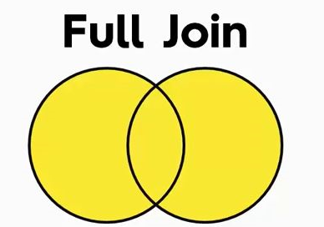
 | Nishant | Male | 18 |  |  |  | Shikha | Manager | 58000
 | Shikha | Female | 23
 | Rita | Female | 29

 | Full Outer Join on A - Customer = B - Employee

 | TABLE A |  |  |  |  |  | TABLE B

 | Customer | Gender | Age |  |  |  | Employe | Title | Salary
Will be there | Arnav | Male | 25 |  |  |  | Krishna | Analyst | 45000
Will be there | Rahul | Male | 26 |  |  |  | Abhishek | Analyst | 49000 | Will be there
 | Krishna | Male | 26 |  |  |  | Rohan | Manager | 61000 | Will be there
Will be there | Nishant | Male | 18 |  |  |  | Shikha | Manager | 58000
 | Shikha | Female | 23
Will be there | Rita | Female | 29

 |  |  |  | Full Outer Join

 |  | Customer | Gender | Age | Employe | Title | Salary
 |  | Customer | Gender | Age
 |  | Arnav | Male | 25
 |  | Rahul | Male | 26
 |  | Krishna | Male | 26 | Krishna | Analyst | 45000
 |  | Nishant | Male | 18
 |  | Shikha | Female | 23 | Shikha | Manager | 58000
 |  | Rita | Female | 29
 |  |  |  |  | Abhishek | Analyst | 49000
 |  |  |  |  | Rohan | Manager | 61000

